Test Report
Default Test Run Report

Project Name |  |  | Project 1
User Name |  |  | MTS
Test Name |  |  | MME 3407_S20 50mm Gage Length ASTM E8 Metals Tension (Extensometer-Crosshead) 55
Test Run Name |  |  | Test Run 1
Test Run Date |  |  | 2/16/2021 3:39:22 PM

Test Run Review Graph
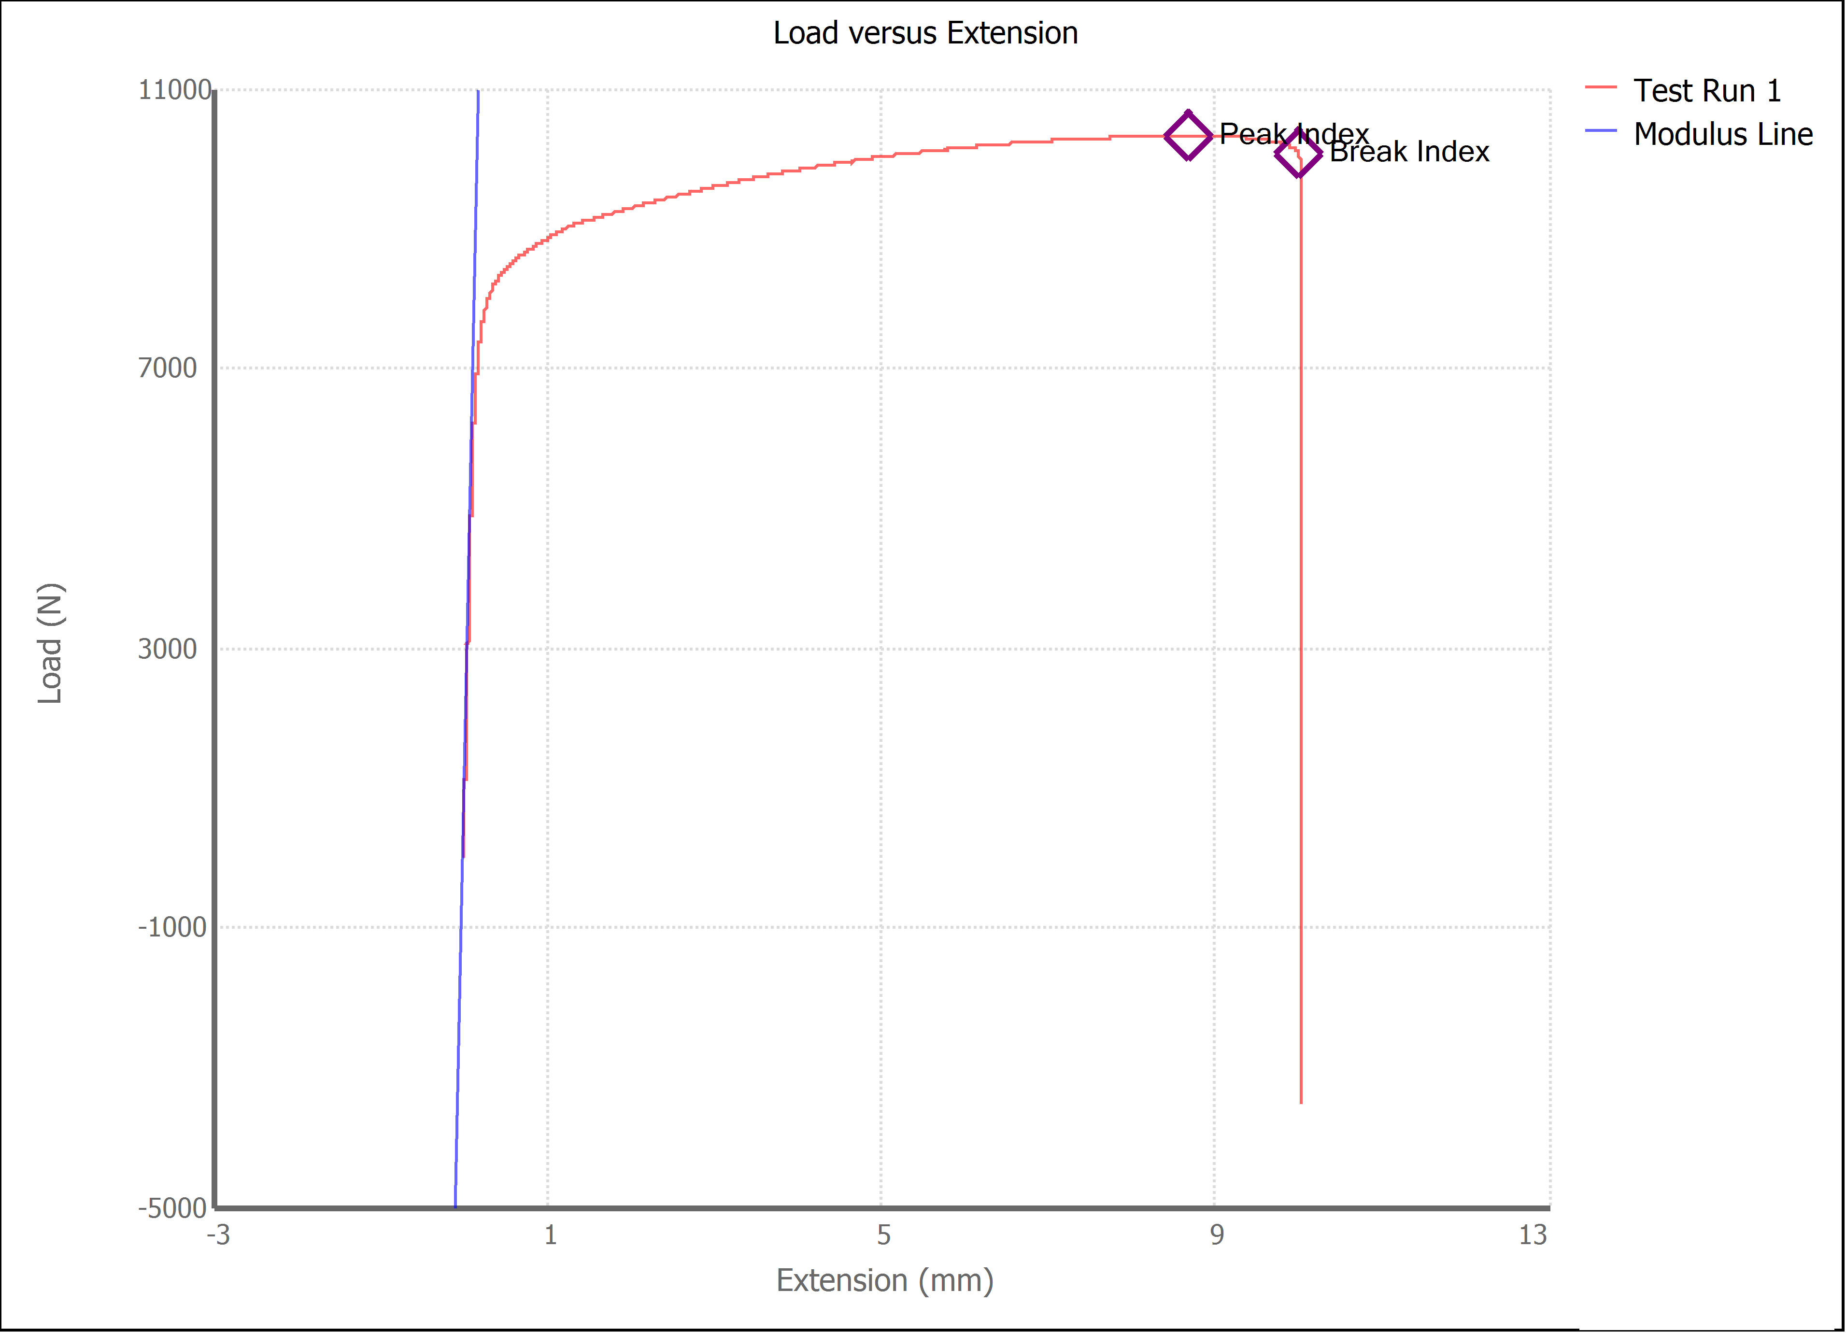

Test Run Results:
Display Name | Value | Unit
Test Run End Reason | Break Detected
Width | 13.490 | mm
Thickness | 3.090 | mm
Final Width | 12.290 | mm
Final Thickness | 2.590 | mm
Test ID
Initial Marked Gage Length | 50.000 | mm
Maximum Force | 2321.032 | lbf
Maximum Stress | 247.7 | MPa
Elongation at Fracture | 17.087 | %
Elongation after Break | 12.980 | %
Upper Yield strength | 229.661 | MPa
Modulus of Elasticity | 68541.997 | MPa
Yield Strength (Offset = 0.2%) | 185.284 | MPa
Yield Strength (EUL = 0.5%) | 186.921 | MPa
Removal Point | 1.250 | mm
Ultimate Tensile Strength | 247.684 | MPa
Reduction of Area | 23.6373 | %
Lower Yield Strength | #NUM! | MPa
Final Marked Gage Length | 56.490 | mm

